Network
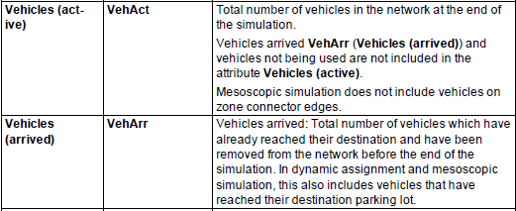
Performance variations of the road network
 |  | Time Interval | Average vehicle delay (seconds) | Average stops | Travel time of all vehicle | Number of Vehicles still in road network | Number of Vehicles still in road network | Vehicles in total | Average Travel Time | CO emission (mg) | NOx emission (mg) | VOC emission (mg)
Scheme I: Original signal timing scheme |  | 100-1000 secs (15 mins) | 51.94 | 0.95 | 216059.9 | 281 | 1065 | 1346 | 160.52 | 2115261 | 411553 | 490232
Signal Timing Schemes | Scheme II: Using computer vision results as inputs in Traffic model+ Simulation based signal timing optimization algorithm |  | 44.52 | 0.77 | 202180.6 | 289 | 1096 | 1385 | 145.98 | 2065859 | 401941 | 478783
 | Scheme III: Using computer vision results as inputs+ Webster algorithm for signal timing optimization |  | 47.79 | 0.83 | 202896.8 | 251 | 1100 | 1351 | 150.18 | 2087155 | 406087 | 483718
 | Scheme IV: Using computer vision results as inputs+ HCM algorithm for signal timing optimization |  | 46.97 | 0.79 | 203255 | 262 | 1098 | 1360 | 149.45 | 2081853 | 405054 | 482489
 | Scheme V: Using ground truth as inputs in Traffic model+ Simulation based signal timing optimization algorithm |  | 43.73 | 0.76 | 201090.5 | 286 | 1102 | 1388 | 144.88 | 2061787 | 401148 | 477839
Absolute Difference | Scheme II vs Scheme I |  | -7.42 | -0.18 | -13879.3 | 8 | 31 | 39 | -14.54 | -49402 | -9612 | -11449
 | Scheme III vs Scheme I |  | -4.15 | -0.12 | -13163.1 | -30 | 35 | 5 | -10.34 | -28106 | -5466 | -6514
 | Scheme IV vs Scheme I |  | -4.97 | -0.16 | -12804.9 | -19 | 33 | 14 | -11.07 | -33408 | -6500 | -7744
 | Scheme V vs Scheme I |  | -8.21 | -0.19 | -14969.4 | 5 | 37 | 42 | -15.64 | -53474 | -10405 | -12393
Relative Difference | Scheme II vs Scheme I |  | -14.3% | -18.9% | -6.4% | 2.8% | 2.9% | 2.9% | -9.1% | -2.3% | -2.3% | -2.3%
 | Scheme III vs Scheme I |  | -8.0% | -12.6% | -6.1% | -10.7% | 3.3% | 0.4% | -6.4% | -1.3% | -1.3% | -1.3%
 | Scheme IV vs Scheme I |  | -9.6% | -16.8% | -5.9% | -6.8% | 3.1% | 1.0% | -6.9% | -1.6% | -1.6% | -1.6%
 | Scheme V vs Scheme I |  | -15.8% | -20.0% | -6.9% | 1.8% | 3.5% | 3.1% | -9.7% | -2.5% | -2.5% | -2.5%

HCM and Webster Algorithm
Summary of Webster for signal timing
Intersection |  | Interection 1 |  |  |  |  |  |  |  |  |  |  |  | Intersection 2
Lane Group |  | EBL | EBT | EBR | WBL | WBT | WBR | NBL | NBT | NBR | SBL | SBT | SBR | EBL | EBT | EBR | WBL | WBT | WBR | NBL | NBT | NBR | SBL | SBT | SBR
Lane Configurations |  | 1 | 2> | 0 | 1 | 1 | 1 | 1 | 3 | 1 | 1 | 1 | 1 | 0 | <1> | 0 | 0 | <1 | 1 | 0 | <3> | 0 | 1 | 1 | 1
Traffic Volume (vph) |  | 137 | 348 | 82 | 252 | 204 | 88 | 175 | 1814 | 320 | 115 | 554 | 54 | 4 | 44 | 16 | 205 | 20 | 235 | 8 | 2036 | 564 | 140 | 581 | 4
Ideal Flow (vphpl) |  | 1900 | 1900 | 1900 | 1900 | 1900 | 1900 | 1900 | 1900 | 1900 | 1900 | 1900 | 1900 | 1900 | 1900 | 1900 | 1900 | 1900 | 1900 | 1900 | 1900 | 1900 | 1900 | 1900 | 1900
Satd. Flow (prot) |  | 1770 | 3437 | 0 | 1770 | 1863 | 1583 | 1770 | 5029 | 1583 | 1770 | 1863 | 1583 | 0 | 1796 | 0 | 0 | 1781 | 1583 | 0 | 4868 | 0 | 1770 | 1863 | 1583
Right Turn on Red |  |  |  | Yes |  |  | Yes |  |  | Yes |  |  | Yes |  |  | Yes |  |  | Yes |  |  | Yes |  |  | Yes
Peak Hour Factor |  | 0.92 | 0.92 | 0.92 | 0.92 | 0.92 | 0.92 | 0.92 | 0.92 | 0.92 | 0.92 | 0.92 | 0.92 | 0.92 | 0.92 | 0.92 | 0.92 | 0.92 | 0.92 | 0.92 | 0.92 | 0.92 | 0.92 | 0.92 | 0.92
Protected Phases |  | 5 | 5 |  | 4 | 4 |  | 3 | 2 |  | 1 | 2 |  | 1 | 2 |  | 1 | 1 |  | 3 | 4 |  | 2 | 4
Permitted Phases |  |  |  |  |  |  | Free |  |  | Free |  |  | Free |  |  |  |  |  | Free |  |  |  |  |  | Free
Maximum Green (s) |  | 27 | 27 |  | 25 | 25 |  | 23 | 75 |  | 15 | 75 |  | 20 | 16 |  | 20 | 20 |  | 2 | 130 |  | 16 | 130
Yellow Time (s) |  | 3 | 3 |  | 3 | 3 |  | 3 | 3 |  | 3 | 3 |  | 3 | 3 |  | 3 | 3 |  | 3 | 3 |  | 3 | 3
All-Red Time (s) |  | 0 | 0 |  | 0 | 0 |  | 0 | 0 |  | 0 | 0 |  | 0 | 0 |  | 0 | 0 |  | 0 | 0 |  | 0 | 0
Walk Time (s) |  | 3 | 3 |  | 3 | 3 |  | 3 | 3 |  | 3 | 3 |  | 3 | 3 |  | 3 | 3 |  | 3 | 3 |  | 3 | 3
Flash Dont Walk (s) |  | 0 | 0 |  | 0 | 0 |  | 0 | 0 |  | 0 | 0 |  | 0 | 0 |  | 0 | 0 |  | 0 | 0 |  | 0 | 0
Pedestrian Calls (#/hr) |  | 0 | 0 |  | 0 | 0 |  | 0 | 0 |  | 0 | 0 |  | 0 | 0 |  | 0 | 0 |  | 0 | 0 |  | 0 | 0
Act Effct Green (s) |  | 27 | 27 |  | 25 | 25 | 180 | 23 | 75 | 180 | 15 | 75 | 180 |  | 16 |  |  | 20 | 180 |  | 132 |  | 16 | 130 | 180
Total Split (s) |  | 30 | 30 |  | 28 | 28 |  | 26 | 78 |  | 18 | 78 |  | 23 | 19 |  | 23 | 23 |  | 5 | 133 |  | 19 | 133

Summary of Webster for signal timing
Intersection-Phase |  | 1-1 | 1-2 | 1-3 | 1-4 | 1-5 | 2-1 | 2-2 | 2-3 | 2-4
Critical traffic flows during this direction | Intersection-Origin | 1-N | 1-N | 1-S | 1-W | 1-E | 2-E | 2-N | 2-S | 2-S
 | Destination Direction | left | through | left | through | left | left | left | left | through
Lane Group |  | SBL | SBT | NBL | EBT | WBL | WBL | SBL | NBL | NBT
Traffic flow (pcu/h) |  | 115 | 554 | 175 | 348 | 252 | 205 | 140 | 8 | 2036
Satd. flow (pcu/h) |  | 1647 | 1647 | 1647 | 3294 | 1647 | 1647 | 1647 | 1647 | 3294
y=Traffic flow/Satd. flow |  | 6.98% | 33.64% | 10.63% | 10.56% | 15.30% | 12.45% | 8.50% | 0.49% | 61.81%
Sum of y |  | 0.771 |  |  |  |  | 0.832
Percentage of green splits |  | 9.06% | 43.63% | 13.78% | 13.70% | 19.85% | 14.96% | 10.22% | 0.58% | 74.29%
Green time |  | 14.9 | 72.0 | 22.7 | 22.6 | 32.7 | 25.1 | 17.2 | 1.0 | 124.8
Green time+Amber time |  | 18 | 75 | 26 | 25 | 36 | 28 | 20 | 4 | 128

In schemes III and IV, the phase difference of traffic signals for adjacent intersections 1 and 2 is 142s. It is set as the same as the phase difference in scheme II, as these algorithms (i.e., Webster and HCM) themselves lack the capacity for optimization works at multiple intersections.
Comparison of green splits among five schemes
Stages | Scheme I | Scheme II | Scheme III | Scheme IV | Scheme V
Intersection1-Stage1 | 25 | 12 | 13 | 18 | 18
Intersection1-Stage2 | 60 | 85 | 87 | 75 | 78
Intersection1-Stage3 | 25 | 24 | 23 | 26 | 26
Intersection1-Stage4 | 30 | 22 | 21 | 25 | 28
Intersection1-Stage5 | 40 | 37 | 36 | 36 | 30
Total | 180 | 180 | 180 | 180 | 180
Intersection2-Stage1 | 20 | 22 | 21 | 28 | 23
Intersection2-Stage2 | 20 | 15 | 14 | 20 | 19
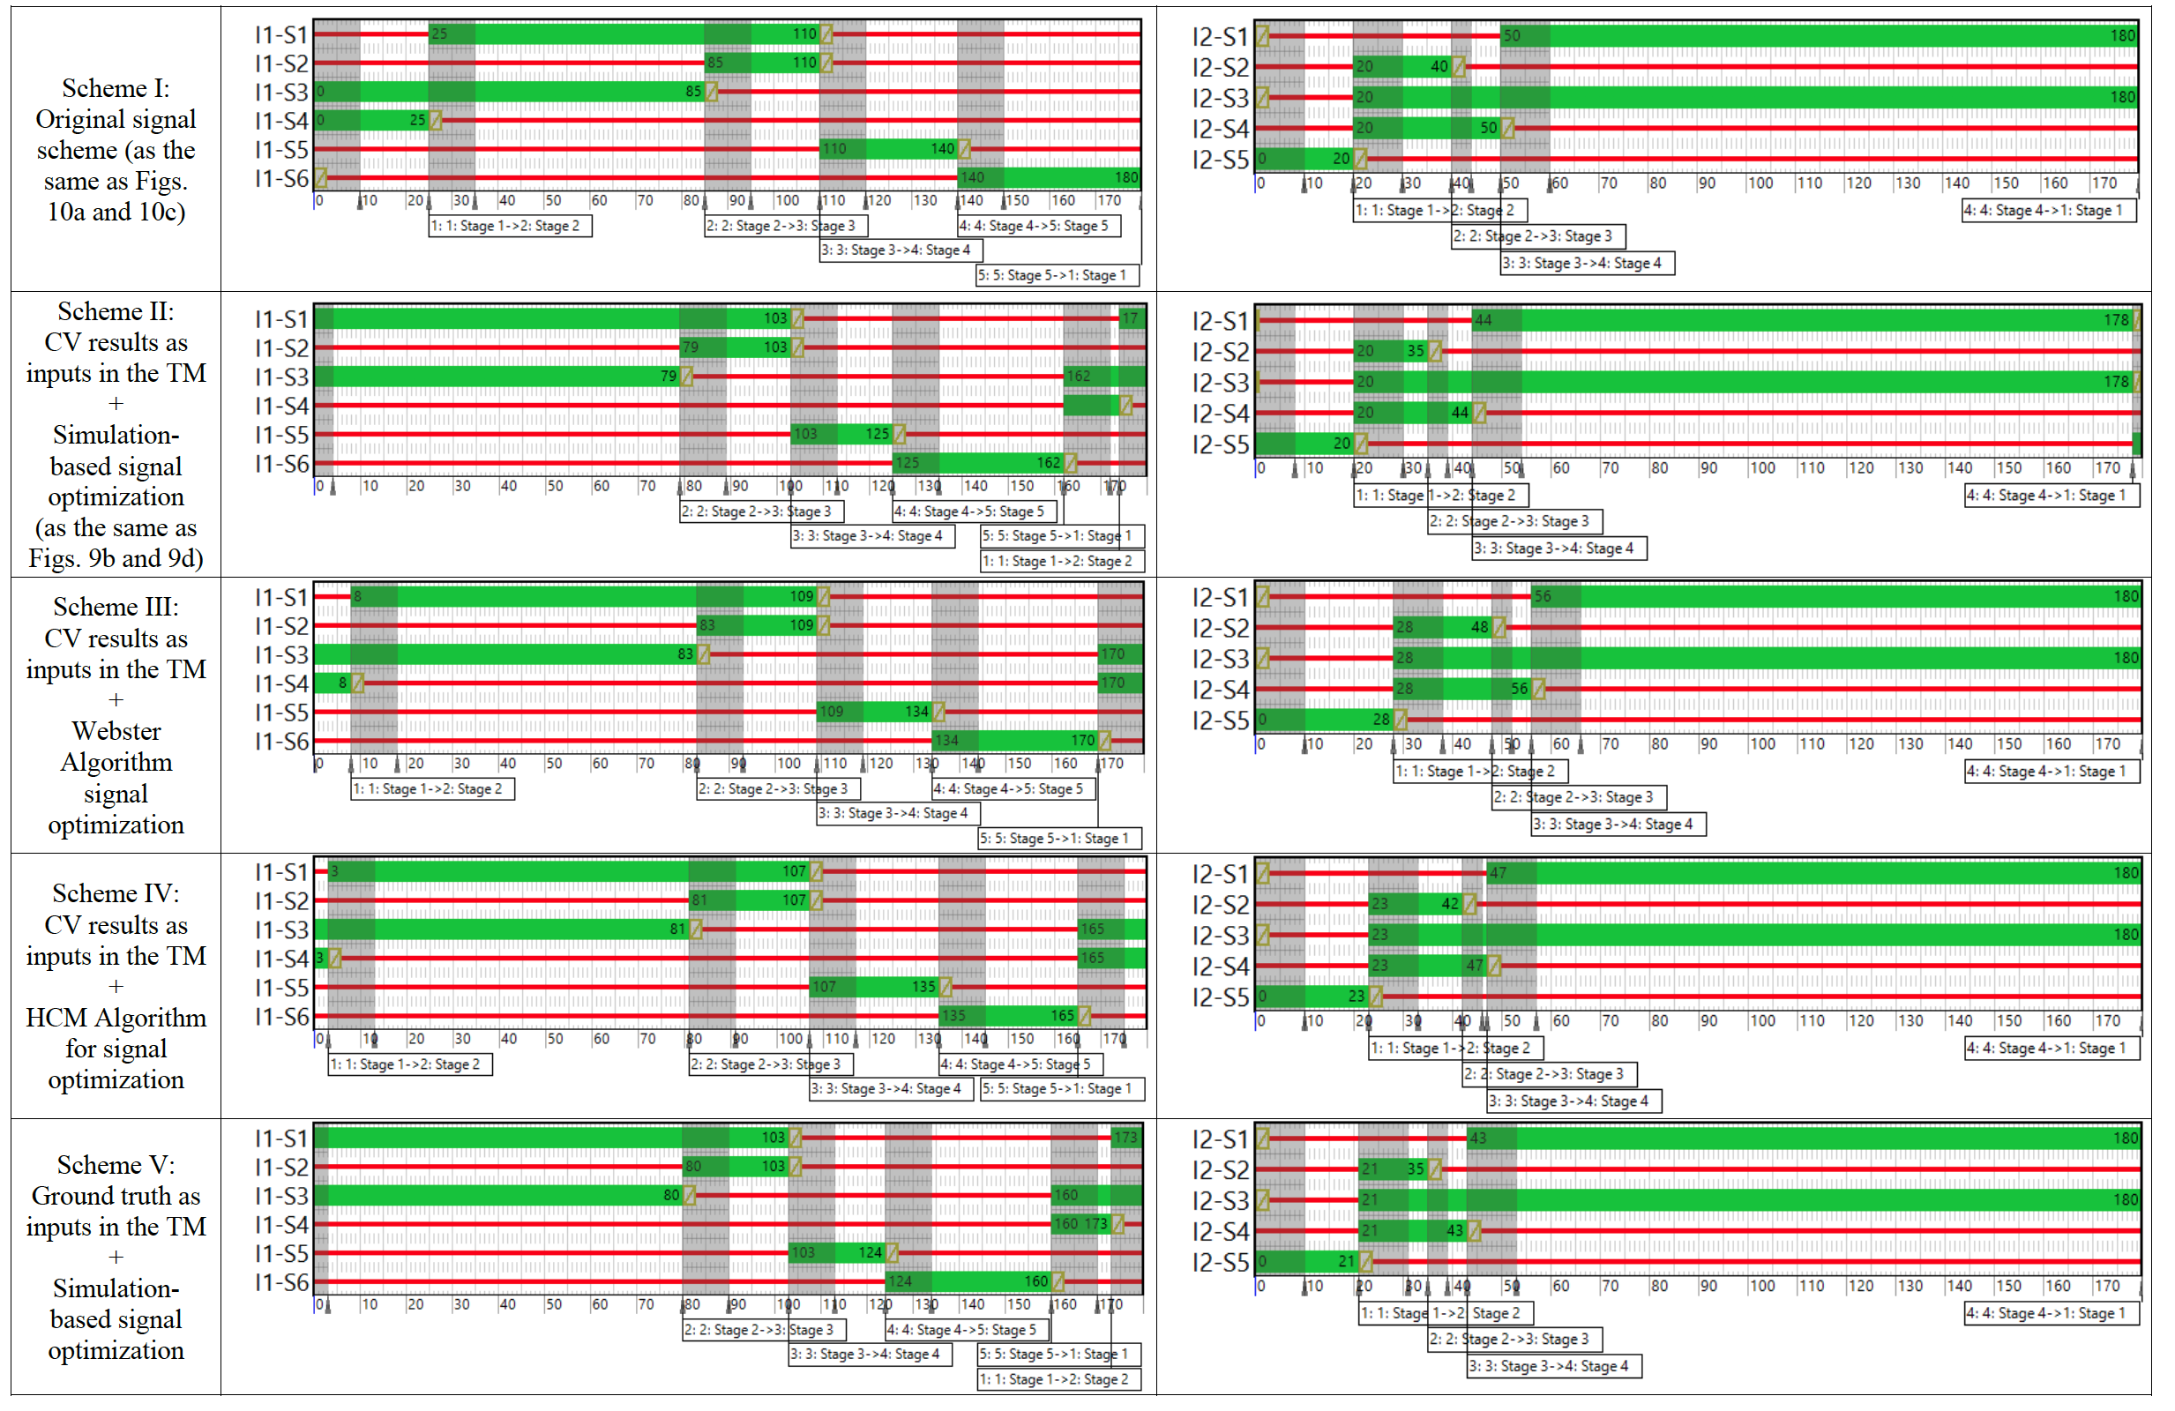
Intersection2-Stage3 | 10 | 9 | 8 | 4 | 5
Intersection2-Stage4 | 130 | 134 | 137 | 128 | 133
Total | 180 | 180 | 180 | 180 | 180

